Summary
DRIVE TIME REPORT
30 Minute Drive Time from PE10 9EA
Demographic data based on full postcode sectors
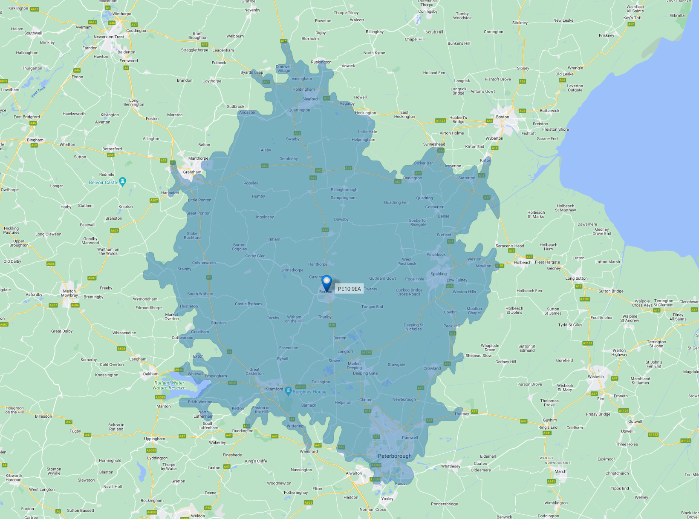
Report Date | 2023-10-25

81,032 | 195,247 |  | 25,190
Households | Population |  | Businesses

£255,037 |  | £47,581
Average House Price |  | Average Household Income

Social Status
 | Area
AB | 20.4%
C1 | 28.6%
C2 | 24.2%
DE | 26.9%

Tenure
Owned outright | 34.0%
Owned with a mortgage or loan | 29.6%
Shared ownership | 1.2%
Social rented | 14.1%
Private rented | 21.0%
Living rent free | 0.1%
Employment
Part-time | 11.9%
Full-time | 36.8%
Self Employed | 9.2%
Unemployed | 2.5%
Retired | 23.2%
Students | 5.3%
Looking after home or family | 4.6%
Long-term sick or disabled | 3.6%
Not Working Other | 3.0%

Qualifications
No qualifications | 19.5%
Level 1 | 11.3%
Level 2 | 14.9%
Apprenticeship | 6.2%
Level 3 | 17.0%
Level 4 and Above | 27.8%
Other qualifications | 3.3%

Property Type
Detached | 40.0%
Semi-detached | 31.3%
Terraced | 16.6%
Flat, maisonette or apartment | 11.2%
Caravan / Temporary structure | 0.9%

Age Breakdown
 | Age Breakdown | National Average
0 to 4 | 5.4% | 5.4%
5 to 9 | 6.1% | 5.9%
10 to 14 | 6.3% | 6.0%
15 to 19 | 5.3% | 5.7%
20 to 24 | 4.9% | 6.0%
25 to 29 | 6.1% | 6.5%
30 to 34 | 6.7% | 7.0%
35 to 39 | 6.6% | 6.7%
40 to 44 | 6.2% | 6.3%
45 to 49 | 6.5% | 6.4%
50 to 54 | 7.1% | 6.9%
55 to 59 | 7.0% | 6.8%
60 to 64 | 6.0% | 5.8%
65 to 69 | 5.2% | 4.9%
70 to 79 | 9.4% | 8.6%
80 and over | 5.2% | 5.0%

